Sheet1
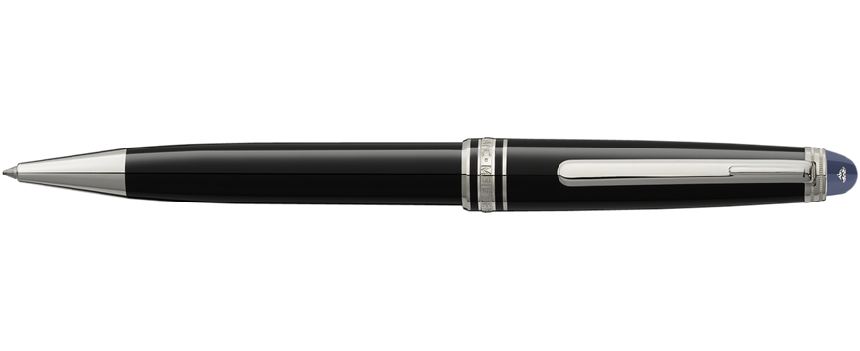
Name | Rishav Kumar
Section | 22MCD-1
Group | A
Date of experiment | 2023-02-15
Object Type | Hardware
Link/URL/Exe name/device/object | Pen
Number of Test Cases | 19
Mannual/Automatic | Mannual

UI Testing | Description | Test Step/Test Procedure | Expected Result | Actual Result | Pass/Fail

 | Pen cap retention | 1. Remove pen cap. 2. Try to put it back. | Pen cap should click into place and stay securely on the pen. | Pen cap does not click. | Fail
 | Ink flow consistency | 1. Start writing with the pen. 2. Check for ink flow consistency. | Ink flows smoothly and consistently without skipping or smudging. | Ink doesnot skips or smudges during writing. | Pass
 | Ink color accuracy | 1. Write on a white paper with the pen. 2. Compare the ink color with the pen's label or packaging. | Ink color matches the label or packaging. | Ink color does not match or is inconsistent. | Pass
 | Grip comfort | Hold the pen for an extended period of time while writing. | Grip is comfortable and does not cause any discomfort or fatigue. | Grip is comfortable during extended use. | Pass
 | Pen durability | 1. Drop the pen from a height of 3 feet onto a hard surface. 2. Inspect for any damage. | Pen does not have any visible damage and still functions properly. | Pen does not have any visible damage. | Pass
 | Clip strength | 1. Clip the pen onto a pocket or notebook cover. 2. Try to shake the pen off. | Pen stays securely clipped on without falling off. | Pen falls off or does not clip on securely. | Fail

Functional Testing | Pen should write on paper | Using pen on paper | Pen write on paper | Pen write on paper | Pass
 | Pen is writing on wooden surface | Using pen on wooden area | Pen write on wood | Pen write on wood | Fail
 | Pen is writing smoothly without breaking | Writing with pen for long time | Smooth and continous | Smooth and continous | Pass
 | Pen supports refill | Trying to use refill | Refill supports | Refill supports | Pass
 | Should write in cold temperature | Trying to write in cold temperature | Pen write in cold temperature | Pen write in cold temperature | Fail
 | Ink of pen should not leak | Trying to use pen to see if it leaks | No leakage | No leakage | Fail
 | Pen working with different angles | Writing with different angles | Write smoothly | Write smoothly | Pass
 | Ink of is waterproof | Spilling water on paper | Waterproof | Waterproof | Fail
 | Tip of pen works fine if force applied | Applying pressure while writing | Tip of pen doesn't break | Tip of pen doesn't break | Pass
 | Body of pen doesn't break if weight applied of 10kg | Applying weight on pen of 10kg | Body doesn't break | Body doesn't break | Pass

Negative Testing | Hold the pen upwards direction and try to write on paper. | Try to write with pen in upward direction | No direction matter | No direction matter | Fail
 | Writing pen in zero gravity | Try to write pen in space | Writes in space | Doesn't writes in space | Fail
 | Writing the pen under water | Try to write under water | Writes under water | Doesn't writes under water | Fail

